Lista de precios
AGOSTO 2025 | FOTO | CÓDIGOS DE BARRAS | SKU | CÓDIGOS DE ARTÍCULO | NOMBRE DEL ARTÍCULO | PRECIO DE VENTA AL PÚBLICO (IVA INCLUIDO) | COSTO COMERCIO
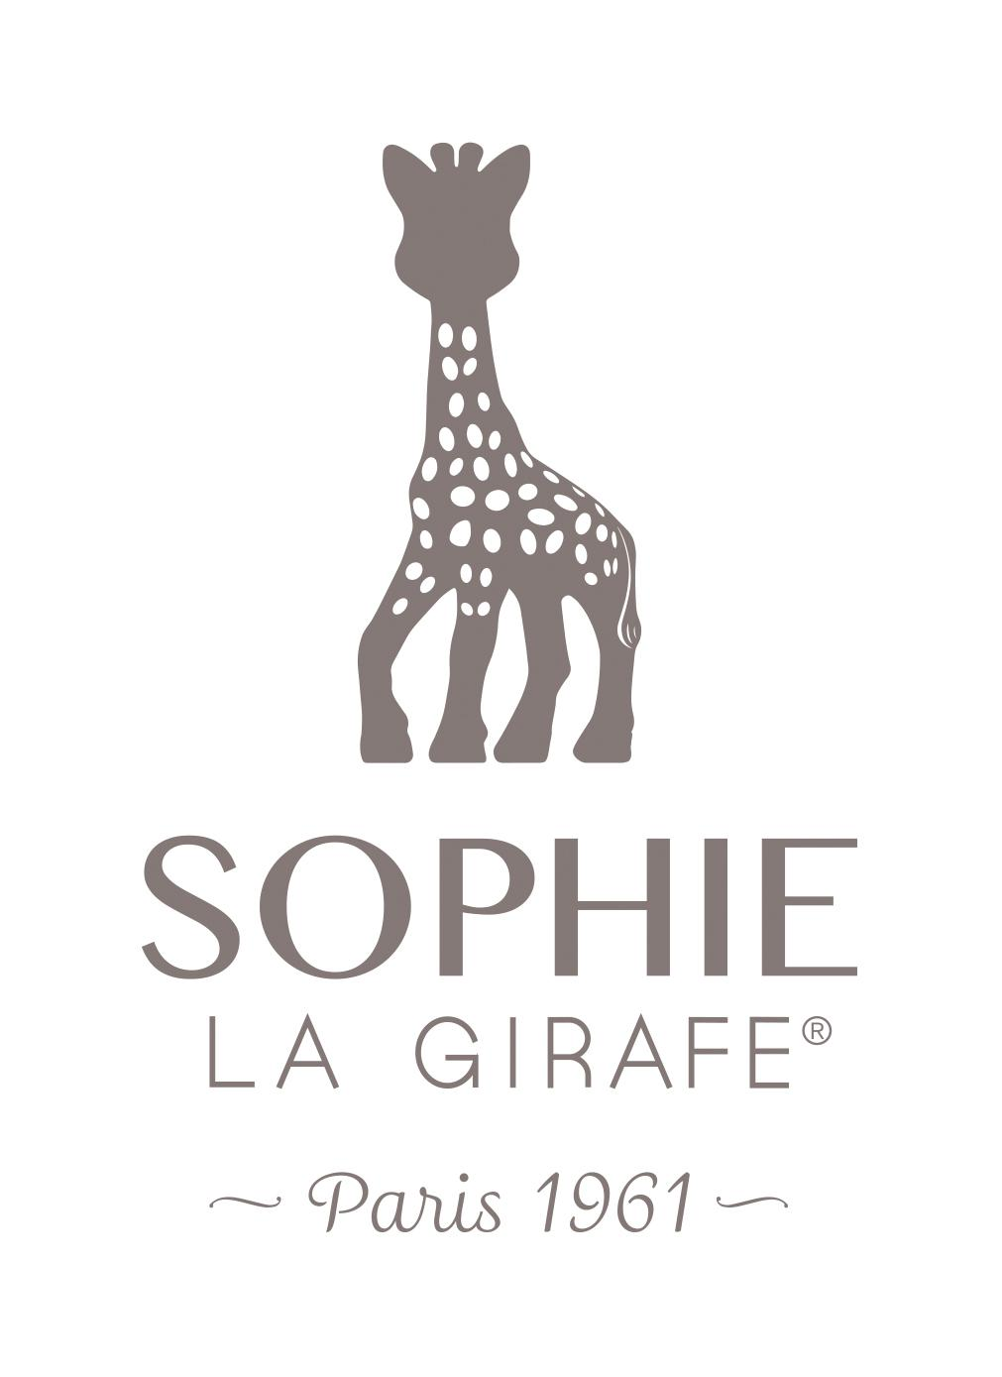 |  | 3056566164004 | M16400 | 616400-1 | Sophie la girafe | $ 60,000 | $ 35,419
 |  | 3056566163410 | M16341 | 616341 | Fanfan el ciervo | $ 54,000 | $ 31,877
 |  | 3056560103184 | M00318 | 010 318 | Mordillo Sophie la girafe | $ 36,000 | $ 21,252
 |  | 3056565165149 | M16514 | 516514 | Sophie la girafe + llavero | $ 66,000 | $ 38,961
 |  | 3056562307788 | M230778 | 230778 | Softball | $ 36,000 | $ 21,252
 |  | 3056560104099 | M10409 | 010 409 | Vaso Antiderrame Sophie la girafe | $ 38,400 | $ 22,668

 |  | 8681176330300 |  | 101020002 | Flexi Bib - Aqua Green | $ 27,000 | $ 15,939
 |  | 8681176330324 | M20003 | 101020003 | Flexi Bib - Pinky Pink | $ 27,000 | $ 15,939
 |  | 8681176330317 | M20004 | 101020004 | Flexi Bib - Mineral Blue | $ 27,000 | $ 15,939
 |  | 8681176330683 |  | 101020005 | Flexi Bib - Powder Grey | $ 27,000 | $ 15,939
 |  | 8681176331130 |  | 101020006 | Flexi-Bib - Velvet Rose | $ 27,000 | $ 15,939
 |  | 8681176332038 | M20007 | 101020007 | Flexi-Bib - Mellow Yellow | $ 27,000 | $ 15,939
 |  | 8681176332403 | M20008 | 101020008 | Flexi Bib - River Green | $ 27,000 | $ 15,939
 |  | 8681176332410 |  | 101020009 | Flexi Bib - Bubble Beige | $ 27,000 | $ 15,939
 |  | 8681176332427 |  | 101020010 | Flexi Bib - Woody Brown | $ 27,000 | $ 15,939
 |  | 8681176334513 | M20011 | 101020011 | Flexi Bib - Deep Blue | $ 27,000 | $ 15,939
 |  | 8681176330379 | M50001 | 101050001 | Portions - Aqua Green | $ 18,900 | $ 11,157
 |  | 8681176330386 | M50002 | 101050002 | Portions - Pinky Pink | $ 18,900 | $ 11,157
 |  | 8681176330393 | M50003 | 101050003 | Portions - Mineral Blue | $ 18,900 | $ 11,157
 |  | 8681176330676 |  | 101050004 | Portions - Powder Grey | $ 18,900 | $ 11,157
 |  | 8681176331154 |  | 101050005 | Portions - Velvet Rose | $ 18,900 | $ 11,157
 |  | 8681176332021 |  | 101050006 | Portions - Mellow Yellow | $ 18,900 | $ 11,157
 |  | 8681176332434 |  | 101050007 | Portions - River Green | $ 18,900 | $ 11,157
 |  | 8681176332441 |  | 101050008 | Portions - Bubble Beige | $ 18,900 | $ 11,157
 |  | 8681176332458 |  | 101050009 | Portions - Woody Brown | $ 18,900 | $ 11,157
 |  | 8681176334520 |  | 101050010 | Portions - Deep Blue | $ 18,900 | $ 11,157
 |  | 8681176336869 | M90002 | 101390002 | Portions Puzzle - Pinky Pink | $ 21,600 | $ 12,751
 |  | 8681176336876 | M90003 | 101390003 | Portions Puzzle - Mineral Blue | $ 21,600 | $ 12,751
 |  | 8681176330409 |  | 101060001 | Scoops - Aqua Green/Pinky Pink | $ 14,850 | $ 8,766
 |  | 8681176330416 |  | 101060002 | Scoops - Aqua Green/Mineral Blue | $ 14,850 | $ 8,766
 |  | 8681176330829 |  | 101060006 | Scoops - Aqua Green/Powder Grey | $ 14,850 | $ 8,766
 |  | 8681176331109 |  | 101060008 | Scoops - Aqua Green/Velvet Rose | $ 14,850 | $ 8,766
 |  | 8681176332069 | M60010 | 101060010 | Scoops - Aqua Green/Mellow Yellow | $ 14,850 | $ 8,766
 |  | 8681176334568 |  | 101060011 | Scoops - Aqua Green / Deep Blue | $ 14,850 | $ 8,766
 |  | 8681176330775 | M80001 | 101080001 | Bowly - Aqua Green | $ 20,250 | $ 11,954
 |  | 8681176330782 | M80002 | 101080002 | Bowly - Pinky Pink | $ 20,250 | $ 11,954
 |  | 8681176330799 | M80003 | 101080003 | Bowly - Mineral Blue | $ 20,250 | $ 11,954
 |  | 8681176330805 |  | 101080004 | Bowly - Powder Grey | $ 20,250 | $ 11,954
 |  | 8681176331123 |  | 101080005 | Bowly - Velvet Rose | $ 20,250 | $ 11,954
 |  | 8681176332014 |  | 101080006 | Bowly - Mellow Yellow | $ 20,250 | $ 11,954
 |  | 8681176332465 |  | 101080007 | Bowly - River Green | $ 20,250 | $ 11,954
 |  | 8681176332472 |  | 101080008 | Bowly - Bubble Beige | $ 20,250 | $ 11,954
 |  | 8681176332489 |  | 101080009 | Bowly - Woody Brown | $ 20,250 | $ 11,954
 |  | 8681176334537 |  | 101080010 | Bowly - Deep Blue | $ 20,250 | $ 11,954
 |  | 8681176335329 | M60051 | 101060051 | Dig In - Mineral Blue / Aqua Green | $ 14,850 | $ 8,766
 |  | 8681176335336 | M60052 | 101060052 | Dig In - Pinky Pink / Velvet Rose | $ 14,850 | $ 8,766
 |  | 8681176331048 | M00001 | 101100001 | Mini Cup - Aqua Green | $ 12,150 | $ 7,172
 |  | 8681176331055 | M00002 | 101100002 | Mini Cup - Pinky Pink | $ 12,150 | $ 7,172
 |  | 8681176331062 | M00003 | 101100003 | Mini Cup - Mineral Blue | $ 12,150 | $ 7,172
 |  | 8681176331079 |  | 101100004 | Mini Cup - Powder Grey | $ 12,150 | $ 7,172
 |  | 8681176331086 |  | 101100005 | Mini Cup - Velvet Rose | $ 12,150 | $ 7,172
 |  | 8681176331987 |  | 101100006 | Mini Cup - Mellow Yellow | $ 12,150 | $ 7,172
 |  | 8681176332526 |  | 101100007 | Mini Cup - River Green | $ 12,150 | $ 7,172
 |  | 8681176332533 |  | 101100008 | Mini Cup - Bubble Beige | $ 14,287 | $ 8,434
 |  | 8681176332540 |  | 101100009 | Mini Cup - Woody Brown | $ 12,150 | $ 7,172
 |  | 8681176334544 |  | 101100010 | Mini Cup - Deep Blue | $ 12,150 | $ 7,172
 |  | 8681176332939 | M00101 | 101100101 | Sip + Snack - Pinky Pink/Velvet Rose | $ 20,250 | $ 11,954
 |  | 8681176332946 | M00102 | 101100102 | Sip + Snack - Mineral Blue/Aqua Green | $ 20,250 | $ 11,954
 |  | 8681176332953 | M00103 | 101100103 | Sip + Snack - Mellow Yellow/Powder Grey | $ 20,250 | $ 11,954
 |  | 8681176331444 | M1003 | 101110003 | Straws + Brush - Pinky Pink & Brush | $ 8,100 | $ 4,782
 |  | 8681176331451 |  | 101110004 | Straws + Brush - Mineral Blue & Brush | $ 8,100 | $ 4,782
 |  | 8681176331468 |  | 101110005 | Straws + Brush - Aqua Green & Brush | $ 8,100 | $ 4,782
 |  | 8681176331475 |  | 101110006 | Straws + Brush - Velvet Rose & Brush | $ 8,100 | $ 4,782
 |  | 8681176331918 |  | 101110007 | Straws + Brush - Mellow Yellow & Brush | $ 8,100 | $ 4,782
 |  | 8681176331642 | M30002 | 101130002 | Pulps - Mineral Blue/Aqua Green | $ 21,600 | $ 12,751
 |  | 8681176331659 | M30003 | 101130003 | Pulps - Mellow Yellow/Powder Grey | $ 21,600 | $ 12,751
 |  | 8681176331727 | M40001 | 101140001 | Scooper - Aqua Green | $ 8,100 | $ 4,782
 |  | 8681176331734 | M40002 | 101140002 | Scooper - Pinky Pink | $ 8,100 | $ 4,782
 |  | 8681176331741 | M40003 | 101140003 | Scooper - Mineral Blue | $ 8,100 | $ 4,782
 |  | 8681176331758 |  | 101140004 | Scooper - Powder Grey | $ 8,100 | $ 4,782
 |  | 8681176331765 |  | 101140005 | Scooper - Velvet Rose | $ 8,100 | $ 4,782
 |  | 8681176331772 | M40006 | 101140006 | Scooper - Mellow Yellow | $ 8,100 | $ 4,782
 |  | 8681176332496 |  | 101140007 | Scooper - River Green | $ 8,100 | $ 4,782
 |  | 8681176332502 |  | 101140008 | Scooper - Bubble Beige | $ 8,100 | $ 4,782
 |  | 8681176332519 |  | 101140009 | Scooper - Woody Brown | $ 8,100 | $ 4,782
 |  | 8681176334551 |  | 101140010 | Scooper - Deep Blue | $ 8,100 | $ 4,782
 |  | 8681176332250 |  | 101160001 | MinikOiOi Klips - Cloudy White |  | $ 0
 |  | 8681176332267 |  | 101160002 | Klips - Dreamy Blue |  | $ 0
 |  | 8681176332557 |  | 101160003 | Klips - Cinnamon Brown |  | $ 0
 |  | 8681176332564 |  | 101160004 | Klips - Unicorn Pink |  | $ 0
 |  | 8681176333349 | M40013 | 101140013 | Scoopers - Pinky Pink / Velvet Rose | $ 13,500 | $ 7,969
 |  | 8681176333356 |  | 101140014 | Scoopers - Mineral Blue / Aqua Green | $ 13,500 | $ 7,969
 |  | 8681176333363 | M40015 | 101140015 | Scoopers - Mellow Yellow / Powder Grey | $ 13,500 | $ 7,969
 |  | 8681176332571 | M70051 | 101070051 | BLW Set I - Aqua Green | $ 37,800 | $ 22,314
 |  | 8681176332588 |  | 101070052 | BLW Set I - Powder Grey | $ 37,800 | $ 22,314
...

